Problem 2
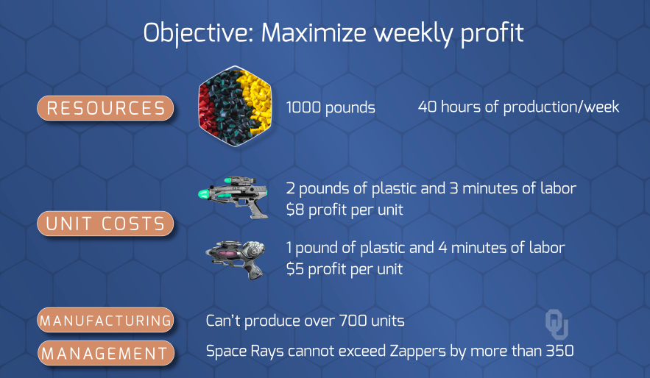
 |  | Product 1 | Product 2 | Total |  | Capacity
 | Num Products | 320 | 360 | 680 | <= | 700
 | Dif in Product Count |  | 40 | 40 | <= | 350

 |  | Product 1 | Product 2 |  |  | Profit
 | Profit per Product | 8 | 5 |  |  | 4360

 |  | Product 1 | Product 2 | Total |  | Capacity
 | Pounds | 2 | 1 | 1000 | <= | 1000
 | Minutes | 3 | 4 | 2400 | <= | 2400

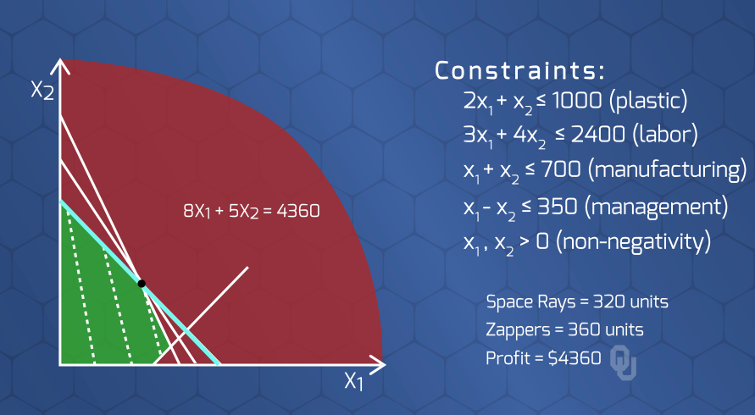

 | If total units > 400, then 70% of all units are Zappers.
 | Else anything

if | spaceRays + zappers >= 400 + M*z
then | zappers >= 70 * (spaceRays + zappers) + M*z

OR

 | spaceRays | 194.595 | 0.30
 | zappers | 454.054 | 0.70
 |  | 648.649

